MethodOfCalculation
Using the CPI CABLE FILL TABLE:
Change the OD (outside diameter) of the cable or the fill ratio on the table to estimate fills
for your application. Fill ratio is the percentage of Usable Area within the manager filled
with cable including gaps between cables.

Method of Calculation
Cable Fill is calculated by dividing the usable area of the cable manager by the area of the cable
and reducing by a 50% fill factor to allow for gaps between the cables.

The basic calculation for estimating recommended cable fill for cable managers and cable pathway is:
 | RECOMMENDED CABLE FILL = ((USABLE AREA/AREA OF CABLE) X 50%) X 50%
 | 50% is the fill ratio (25% of the manager is filled with cable. 25% is required space between cables.)

The basic calculation for estimating maximum cable fill for cable managers and cable pathway is:
 | MAXIMUM CABLE FILL = (USABLE AREA/AREA OF CABLE) X 50%) X 100%
 | 100% is the fill ratio. (50% of the manager is filled with cable. 50% is required air space between cables.)

 | USABLE AREA is the Usable Area of the cable manager or pathway product.
 | Usable Area is determined by measuring the internal width and
 | depth of individual cable managers or pathway as illustrated on the following pages.
 | The CPI Cable Fill table lists usable areas for CPI cable management and pathway products.

 |  | The area of a rectangular space is calculated by multiplying
 |  | the width by the depth. In some cases the width of the manager varries:

 |  | USABLE AREA = INTERIOR WIDTH X INTERIOR DEPTH

 | AREA OF CABLE is the area of the cable. The table assumes round cables.
 | The area of the cable is calculated using the dimensions of the cable.
 | To determine the values in the CPI Cable Fill table, average
 | cable sizes are used to represent each type of cable:
 |  | Cat 5e is .20" diameter cable (.031" area)
 |  | Cat 6 is .25" diameter cable (.049" area)
 |  | Cat 6a is .30" diameter cable (.070" area)

 |  | The area of a round cable is calculated by multiplying PI and
 |  | the diameter of the cable squared divided by 4:

 |  | (ROUND) CABLE AREA = (DIAMETER2 X PI)/4

FILL RATIO is the percentage of Usable Area within the manager that is filled with cable including
required gaps between cables.

CABLE FILL is the calculated cable fill value. This value is an estimate and includes gaps between
cables. Use 100% fill ratio to estimate maximum fill. Use 50% fill ratio to extimate initial fill.
This estimate represents loose cables, not bundled cables. The value will be less for bundled cables.

Sample Cable Fill Calculation:
Calculate cable fill of .30"OD Cat 6a UTP in CPI Cable Manager P/N 11730-703.

 | CPI P/N 11730-XXX has a usable area of 21.0 in2
 | .30" OD Cable has an area of .070 in² (Area = [.30]² X Pi/4)

 | RECOMMENDED CABLE FILL = ((USABLE AREA/AREA OF CABLE) X 50%) X 50%
 | RECOMMENDED CABLE FILL = (21.0 in²/.070 in²) X 50%) X 50%
 | RECOMMENDED CABLE FILL = 75 cables

 | MAXIMUM CABLE FILL = ((USABLE AREA/AREA OF CABLE) X 50%) X 100%
 | MAXIMUM CABLE FILL = (21.0 in²/.070 in²) X 50%) X 100%
 | MAXIMUM CABLE FILL = 150 cables

Usable Area defined for various types of cable managers.
The hatched areas represent the defined usable area for different types of CPI Cable Managers.

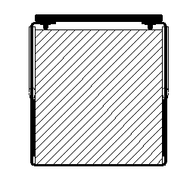
 |  |  | Vertical Cable Managers & Rings/Loops
 |  |  | (no fingers)
 |  |  | Usable area is defined between | Ex. | VCS
 |  |  | the narrowest point in width and |  | Loops
 |  |  | the distance between the back |  | Rings
 |  |  | of the manager and the back of
 |  |  | the latch pins.

 |  | Latch pins
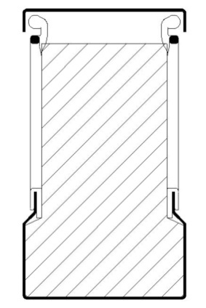

 |  |  | Vertical Cable Managers
 |  |  | (with fingers)
 |  |  | Usable area is defined between | Ex. | MCS, MCS-EFX,
 |  |  | the narrowest point in width and |  | CCS, CCS-EFX,
 |  |  | the distance between the back |  | Velocity Cable Management
 |  |  | of the manager and the back of |  | Evolution Cable Management
 |  |  | the T on the fingers. |  | M-Series MegaFrame ECM
 |  |  | Area includes this space. |  | F-Series TeraFrame VCM
 |  |  |  |  | GlobalFrame VCM
 | Fingers |  |  |  | Finger Cable Manager
 |  |  |  |  | Motive Cable Management

 |  |  | Universal Horizontal Cable Managers
 |  |  | (with fingers)
 |  |  | Usable area is defined between | Ex. | UHCM
 |  |  | the narrowest point in height and |  | Velocity Cable Management
 |  |  | the distance between the back |  | Evolution Cable Management
 |  |  | of the manager and the back of |  | Motive Cable Management
 |  |  | the T on the fingers.
 | Fingers

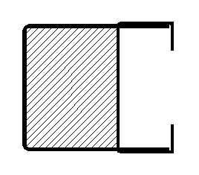
 |  |  | Horizontal Wire Managers with Rings/Loops
 |  |  | (no fingers)
 |  |  | Usable area is defined between | Ex. | Horz. Cble Mngr.
 |  |  | the narrowest point in height and
 |  |  | the distance between the back
 |  |  | of the manager and the front of
 |  |  | the rings.
 | Rings

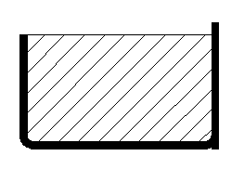
 |  |  | Jumper Trays
 |  |  | (no fingers)
 |  |  | Usable area is defined between | Ex. | Jumper Trays
 |  |  | the narrowest point in height and
 |  |  | the distance between the back
 |  |  | of the manager and the front of
 |  |  | the tray.


 |  |  | Cable Runway (& optional Cable Retaining Posts)
 |  |  | Usable area is defined by the | Ex. | Universal
 |  |  | width of the runway and a |  | TELCO
 |  |  | maximum 6" height. |  | UL Classified
 |  |  | TIA-569 limits cable height to |  | Alternate Space
 |  |  | 6" (152 mm) and cable fill to 50%. |  | Quick Ship
 |  |  | Cable Runway does not have side walls.
 |  |  | Add Cable Retaining Post (shown) when required.

 |  |  | Pemsa® Rejiband® Wire Mesh Cable Tray
 |  |  | Usable area is defined by the | Ex. | Rejiband
 |  |  | width of the tray and the height
 |  |  | of the tray, with a 6" (152 mm) max. height.
 |  |  | TIA-569 limits cable height to
 |  |  | 6" (152 mm) and cable fill to 50%.
 |  |  | OnTrac Cable Tray has 2", 4" or 6" high (50 mm, 100 mm or 150 mm)
 |  |  | side walls.

